Sheet1
 | Gates | Packard | CS161 | Union | Dish
Init, d^(0) | 0 | oo | oo | oo | oo
i=0, d^(1)
i=1, d^(2)
i=2, d^(3)
i=3, d^(4)
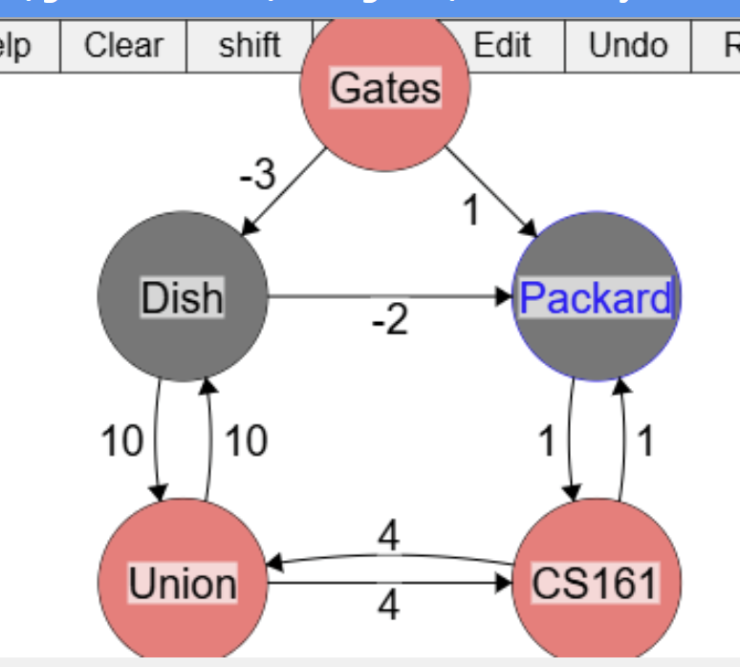

 |  |  |  |  |  | i=0, d^(1) = min(d(0)[Gate], min({d(0)[Dish] + w(Gate,Dish) , d(0)[Packard] + w(Gate,Packard)

